Test Report
Default Test Run Report

Project Name |  |  | Project 1
User Name |  |  | MTS
Test Name |  |  | MME 3407_S20 50mm Gage Length ASTM E8 Metals Tension (Extensometer-Crosshead) 21
Test Run Name |  |  | Test Run 1
Test Run Date |  |  | 9/29/2020 3:18:15 PM

Test Run Review Graph
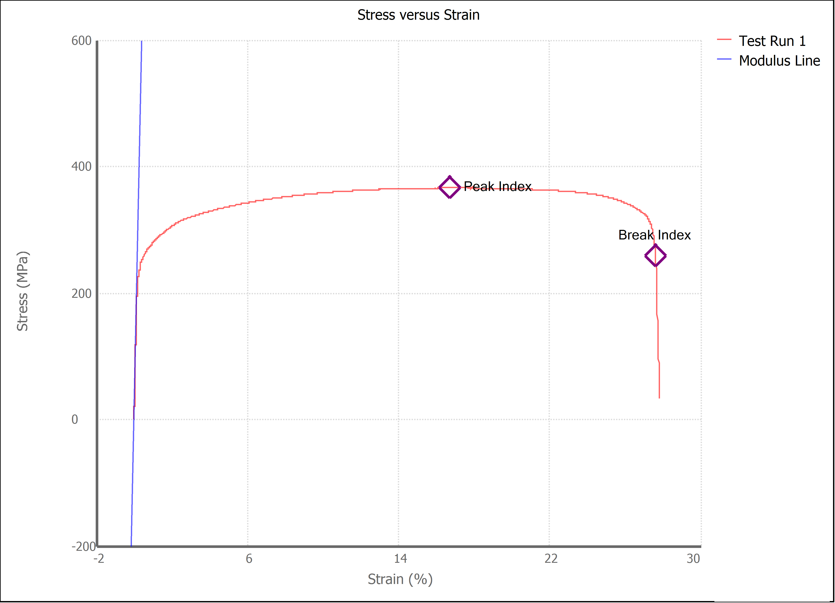

Test Run Results:
Display Name | Value | Unit
Test Run End Reason | Break Detected
Width | 13.523 | mm
Thickness | 3.250 | mm
Final Width | 10.970 | mm
Final Thickness | 2.550 | mm
Test ID | Vero-Steel 4130-40
Initial Marked Gage Length | 50.000 | mm
Maximum Force | 3616.156 | lbf
Maximum Stress | 366.0 | MPa
Elongation at Fracture | 27.608 | %
Elongation after Break | 23.920 | %
Upper Yield strength | 355.002 | MPa
Modulus of Elasticity | 147318.831 | MPa
Yield Strength (Offset = 0.2%) | 248.928 | MPa
Yield Strength (EUL = 0.5%) | 258.034 | MPa
Removal Point | 1.250 | mm
Ultimate Tensile Strength | 365.997 | MPa
Reduction of Area | 36.3512 | %
Lower Yield Strength | #NUM! | MPa
Final Marked Gage Length | 61.960 | mm

